EatSmart Food Diary
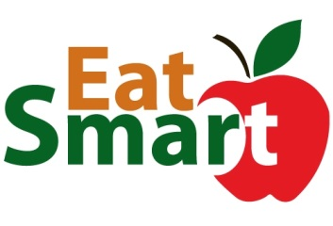
 | Food and Beverage Dairy

 |  | Date: | 2024-01-29 |  |  | Day #: | 3

 | BREAKFAST |  |  |  |  |  | LUNCH
Food | Cals | Carbs | Fiber | Protein |  | Food | Cals | Carbs | Fiber | Protein

MEAL SUBTOTAL | 0.0 | 0.0 | 0.0 | 0.0 | 0.0 | MEAL SUBTOTAL | 0.0 | 0.0 | 0.0 | 0.0 | 0.0

 | DINNER |  |  |  |  |  | SNACKS
Food | Cals | Carbs | Fiber | Protein |  | Food | Cals | Carbs | Fiber | Protein

MEAL SUBTOTAL | 0.0 | 0.0 | 0.0 | 0.0 | 0.0 | MEAL SUBTOTAL | 0.0 | 0.0 | 0.0 | 0.0 | 0.0
 |  |  |  |  |  |  | Yes | No
 | Cals | Carbs | Fiber | Protein |  | Met my goals today?

DAILY GRAND TOTAL | 0 | 0.0 | 0.0 | 0.0 | 0.0
 |  |  |  |  |  | Notes:

